Week 05.06
Daily Total
Itemized Total
 | Total
Burpee
Cult | 1
Cycling | 0
Dance | 5
Eyes | 0
Gym | 1
Kick Boxing | 0
Massage
Supplements
Meditation
Pranayam | 1
Pull Ups
Push Ups
Skip
Stretch | 0
Steam
Yoga | 0
Item | Total | 2022-05-30 | 2022-05-31 | 2022-06-01 | 2022-06-02 | 2022-06-03 | 2022-06-04 | 2022-06-05
Burpee
Cult | 1 |  | 1
Cycling | 0
Dance | 5 | 1 | 2 | 1 | 1
Eyes | 0
Gym | 1 | 1
Kick Boxing | 0
Massage
Supplements
Meditation
Pranayam | 1 |  | 1
Pull Ups
Push Ups
Skip
Stretch | 0
Steam
Yoga | 0
 |  | 2 | 4 | 1 | 1 | 0 | 0 | 0

Week 28.05
Daily Total
Itemized Total
 | Total
Burpee
Gym
Cult | 1
Cycling | 0
Dance | 6
Eyes | 1
Massage
Meditation
Hair
Supplements
Steam
Pranayam | 2
Pull Ups
Push Ups
Yoga | 1
Stretch | 2
 | Item | Total | 2022-05-30 | 2022-05-31 | 2022-06-01 | 2022-06-02 | 2022-06-03 | 2022-06-04 | 2022-06-05
1 | Kick Boxing | 0
 | Skip
 | Burpee
2 | Gym |  | 1 |  |  |  | 1
 | Cult | 1 |  | 1
 | Cycling | 0
3 | Dance | 6 | 1 | 2 | 1 | 1 |  | 1
4 | Eyes | 1 |  |  |  |  |  | 1
 | Massage |  |  |  |  |  |  | 1
 | Meditation
5 | Hair
 | Supplements
6 | Steam
 | Pranayam | 2 |  | 1 |  |  |  | 1
7 | Pull Ups
 | Push Ups
8 | Yoga | 1 |  |  |  |  |  | 1
 | Stretch | 2 |  |  |  |  | 1 | 1
 |  |  | 2 | 4 | 1 | 1 | 2 | 6 | 0

Week 21.05
Daily
 | Count
Burpee
Cult
Cycling
Dance | 3
Eyes | 2
Gym | 3
Kick Boxing
Massage | 5
Supplements
Meditation | 4
Pranayam
Pull Ups | 1
Push Ups
Skip | 1
Stretch | 5
Steam
Yoga | 1
Item | Count | 2022-05-15 | 2022-05-16 | 2022-05-17 | 2022-05-18 | 2022-05-19 | 2022-05-20 | 2022-05-21
Burpee
Cult
Cycling
Dance | 3 | 1 |  | 1 |  | 1
Eyes | 2 |  |  |  |  |  | 1 | 1
Gym | 3 |  |  |  | 1 | 1 | 1
Kick Boxing
Massage | 5 | 1 | 1 | 1 | 1 | 1
Supplements
Meditation | 4 | 1 | 1 |  | 1 | 1
Pranayam
Pull Ups | 1 |  |  |  | 1
Push Ups
Skip | 1 |  |  | 1
Stretch | 5 | 1 | 1 | 1 | 1 | 1
Steam
Yoga | 1 |  | 1
 |  | 4 | 5 | 4 | 5 | 5 | 2 | 1

The Shoulders X
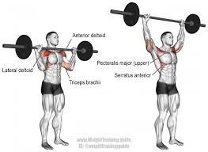 | Barbell Overhead Shoulder Press | 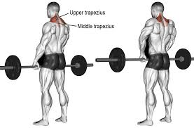 | Barbell Shrugs

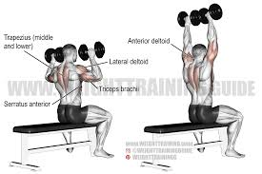 | Seated Dumbbell Shoulder Press | 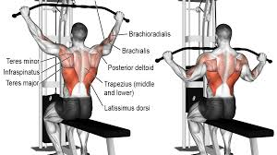 | Lateral Pull Down

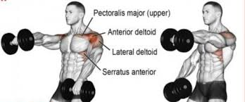 | Front Raise | 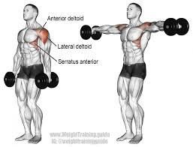 | Dumbbell Lateral Raise

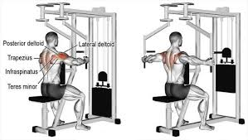 | Reverse Peck Deck Fly | 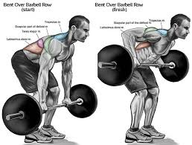 | Bent Over

The Shoulders X (2)
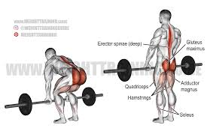
Barbell Overhead Shoulder Press | Barbell Shrugs

Seated Dumbbell Shoulder Press | Lateral Pull Down

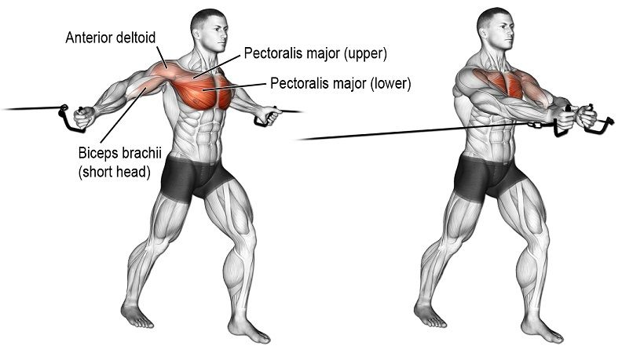

Front Raise | Dumbbell Lateral Raise | 7. Cable Machine

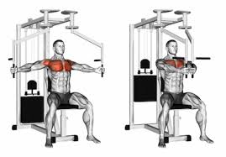
Reverse Peck Deck Fly | Bent Over |  | 8. Pec Fly

Daily X
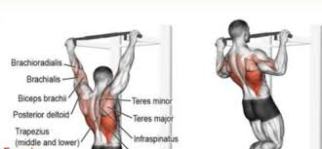 | 1. Pull Ups

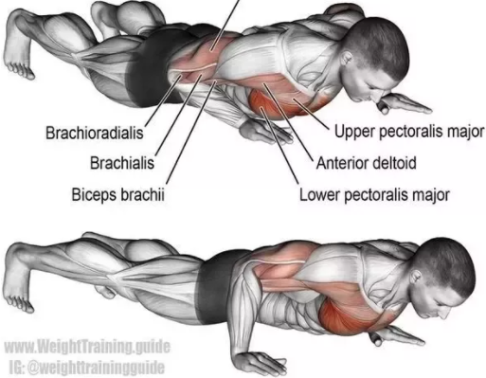 | 2. Push Ups

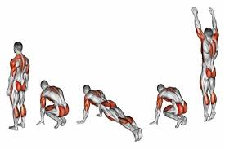 | 3. Burpees

The Abs X
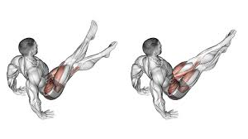 | 1. Abs Scissors Exercise | 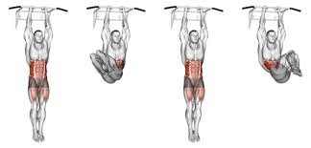 | 5. Hanging Knee Raises

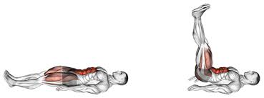 | 2. Lying Leg Raises | 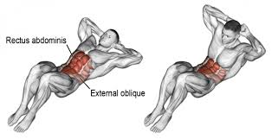 | 6. Body Weight Crunches

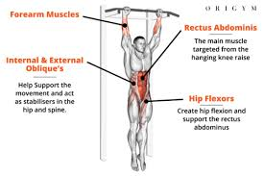 | 3. Hanging Knee Raises | 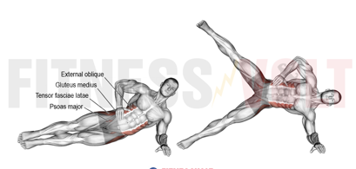 | 7. Side Plan Raises

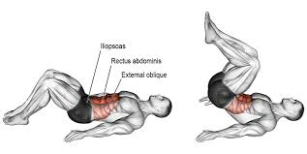 | 4. Reverse Crunch | 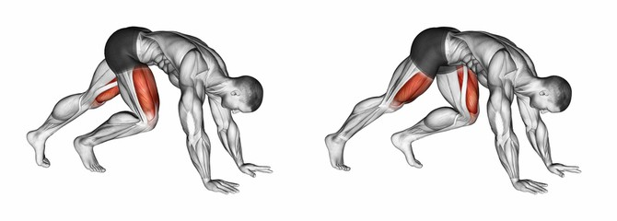 | 8. Mountain Climbers

The Biceps X
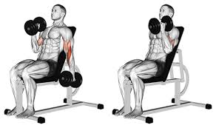 | 1. Seated Alternating Dumbbell Curl | 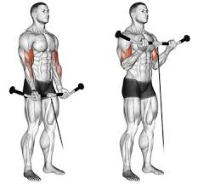 | 5. Standing Cable Curl

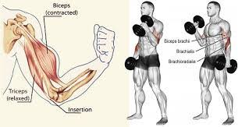 | 2. Standing Dumbbell Curl | 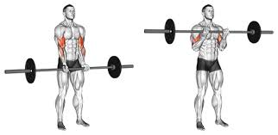 | 6. Standing Barbell Curl

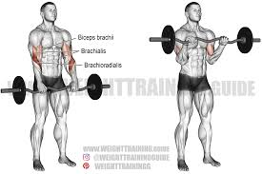 | 3. Standing Reverse Barbell Curl | 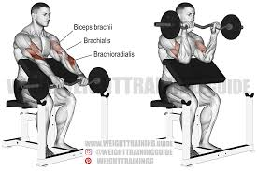 | 7. Preacher Curl

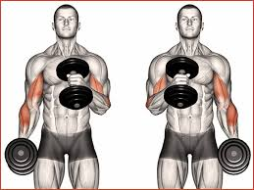 | 4. Hammer Curl

The Chest X
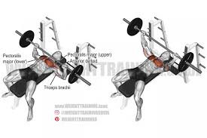 | 1. Barbell bench press | 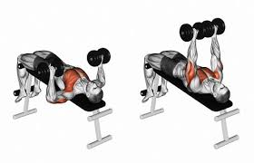 | 4. Db bench press

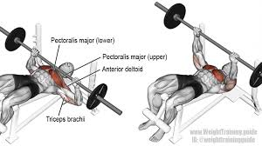 | 2. Barbell decline bench press | 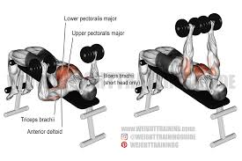 | 5. Db decline bench press

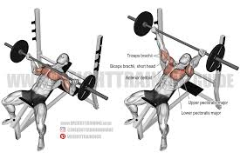 | 3. Barbell incline bench press | 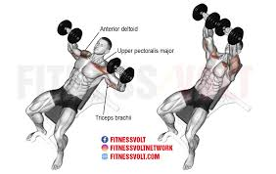 | 6. Db incline bench press

 |  | 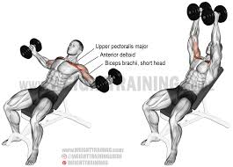 | 7. Inclined dumbbell flies

